Global Market Analysis Query
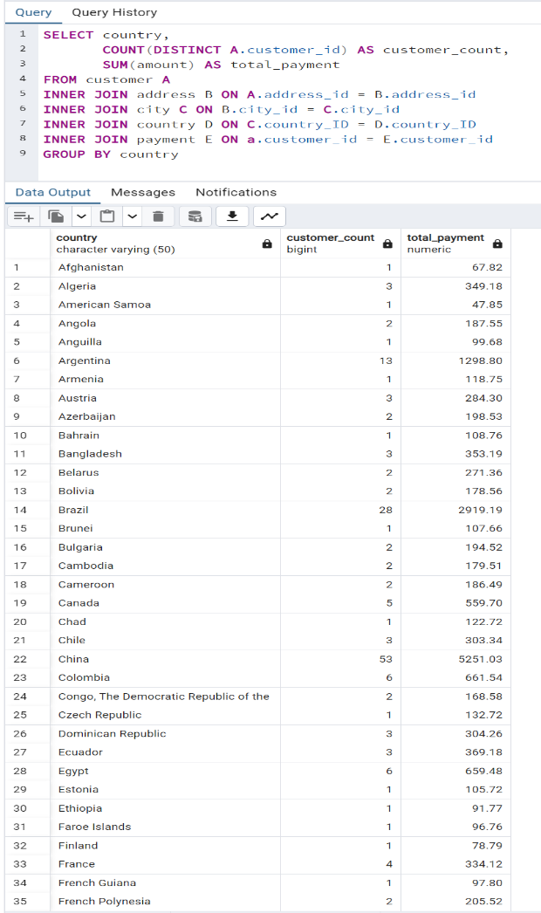
country | customer_count | total_payment
Afghanistan | 1 | 67.82
Algeria | 3 | 349.18
American Samoa | 1 | 47.85
Angola | 2 | 187.55
Anguilla | 1 | 99.68
Argentina | 13 | 1298.8
Armenia | 1 | 118.75
Austria | 3 | 284.3
Azerbaijan | 2 | 198.53
Bahrain | 1 | 108.76
Bangladesh | 3 | 353.19
Belarus | 2 | 271.36
Bolivia | 2 | 178.56
Brazil | 28 | 2919.19
Brunei | 1 | 107.66
Bulgaria | 2 | 194.52
Cambodia | 2 | 179.51
Cameroon | 2 | 186.49
Canada | 5 | 559.7
Chad | 1 | 122.72
Chile | 3 | 303.34
China | 53 | 5251.03
Colombia | 6 | 661.54
Congo, The Democratic Republic of the | 2 | 168.58
Czech Republic | 1 | 132.72
Dominican Republic | 3 | 304.26
Ecuador | 3 | 369.18
Egypt | 6 | 659.48
Estonia | 1 | 105.72
Ethiopia | 1 | 91.77
Faroe Islands | 1 | 96.76
Finland | 1 | 78.79
France | 4 | 334.12
French Guiana | 1 | 97.8
French Polynesia | 2 | 205.52
Gambia | 1 | 114.73
Germany | 7 | 741.24
Greece | 2 | 204.54
Greenland | 1 | 119.72
Holy See (Vatican City State) | 1 | 146.68
Hong Kong | 1 | 104.76
Hungary | 1 | 111.71
India | 60 | 6034.78
Indonesia | 14 | 1352.69
Iran | 8 | 877.96
Iraq | 1 | 111.73
Israel | 4 | 379.13
Italy | 7 | 753.26
Japan | 31 | 3122.51
Kazakstan | 2 | 192.51
Kenya | 2 | 245.49
Kuwait | 1 | 106.75
Latvia | 2 | 249.43
Liechtenstein | 1 | 99.74
Lithuania | 1 | 63.78
Madagascar | 1 | 92.79
Malawi | 1 | 121.73
Malaysia | 3 | 330.23
Mexico | 30 | 2984.82
Moldova | 1 | 127.66
Morocco | 3 | 274.35
Mozambique | 3 | 315.25
Myanmar | 2 | 179.53
Nauru | 1 | 143.7
Nepal | 1 | 93.83
Netherlands | 5 | 557.73
New Zealand | 1 | 85.77
Nigeria | 13 | 1314.92
North Korea | 1 | 107.71
Oman | 2 | 161.56
Pakistan | 5 | 473.84
Paraguay | 3 | 273.4
Peru | 4 | 407.01
Philippines | 20 | 2219.7
Poland | 8 | 786.16
Puerto Rico | 2 | 224.48
Romania | 2 | 218.42
Runion | 1 | 211.55
Russian Federation | 28 | 2765.62
Saint Vincent and the Grenadines | 1 | 64.82
Saudi Arabia | 5 | 452.94
Senegal | 1 | 95.76
Slovakia | 1 | 80.77
South Africa | 11 | 1069.46
South Korea | 5 | 527.77
Spain | 5 | 513.8
Sri Lanka | 1 | 103.73
Sudan | 2 | 202.51
Sweden | 1 | 139.67
Switzerland | 3 | 248.41
Taiwan | 10 | 1155.1
Tanzania | 3 | 322.22
Thailand | 3 | 401.08
Tonga | 1 | 64.84
Tunisia | 1 | 73.78
Turkey | 15 | 1498.49
Turkmenistan | 1 | 126.74
Tuvalu | 1 | 93.78
Ukraine | 6 | 675.53
United Arab Emirates | 3 | 305.25
United Kingdom | 9 | 850.96
United States | 36 | 3685.31
Venezuela | 7 | 632.43
Vietnam | 6 | 676.45
Virgin Islands, U.S. | 1 | 121.69
Yemen | 4 | 473.93
Yugoslavia | 2 | 233.49
Zambia | 1 | 121.7

top_10_countries
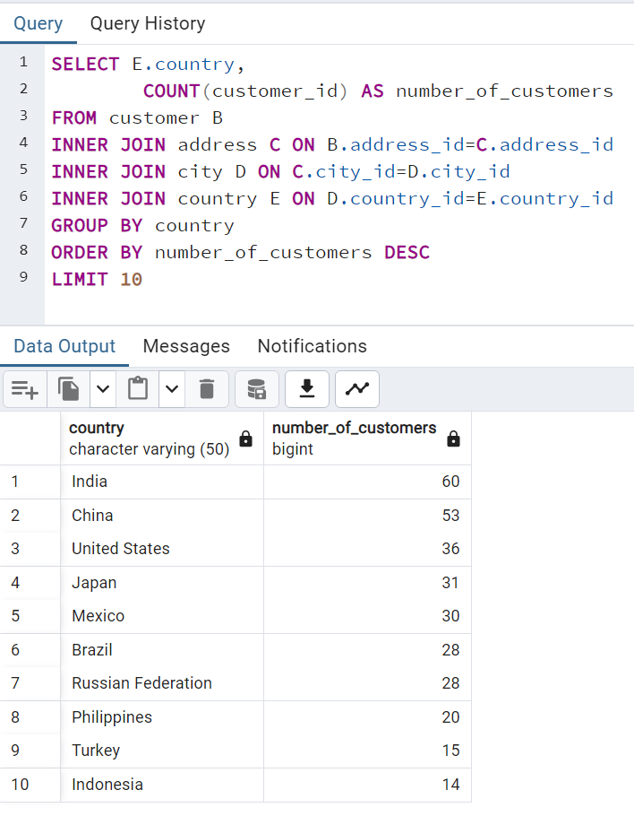
country | number_of_customers
India | 60
China | 53
United States | 36
Japan | 31
Mexico | 30
Brazil | 28
Russian Federation | 28
Philippines | 20
Turkey | 15
Indonesia | 14

top_10_countries Detailed
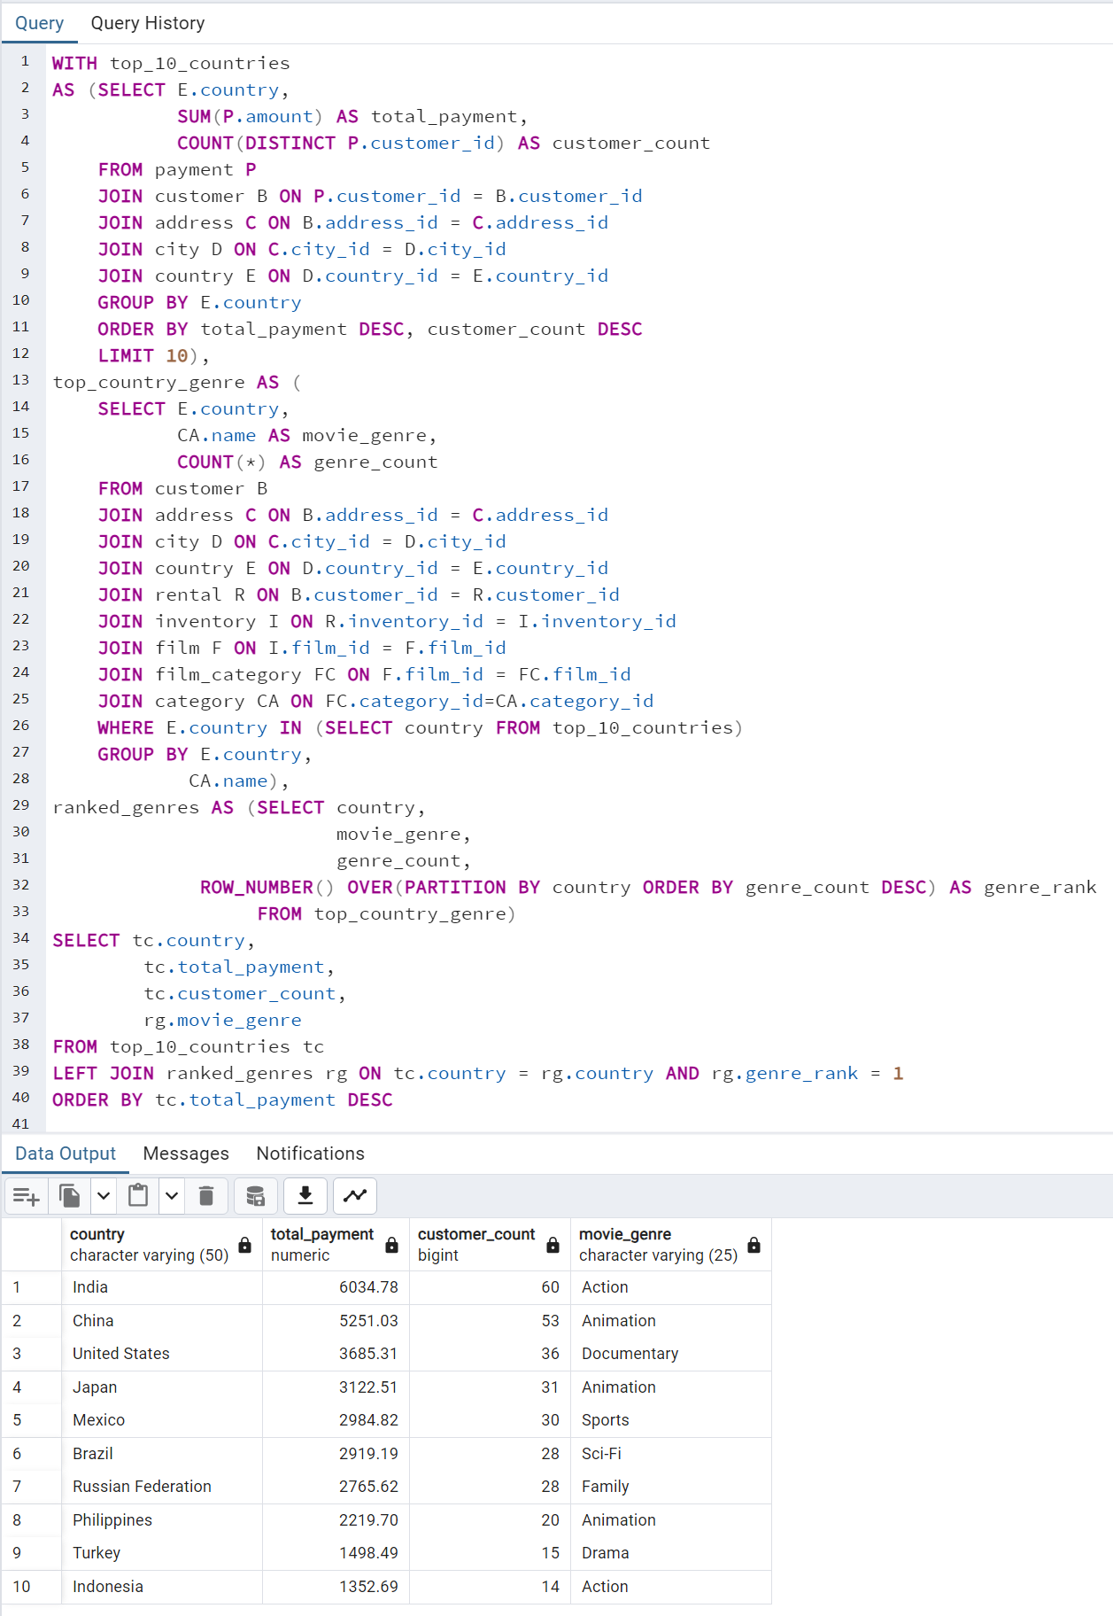
country | total_payment | customer_count | movie_genre
India | 6034.78 | 60 | Action
China | 5251.03 | 53 | Animation
United States | 3685.31 | 36 | Documentary
Japan | 3122.51 | 31 | Animation
Mexico | 2984.82 | 30 | Sports
Brazil | 2919.19 | 28 | Sci-Fi
Russian Federation | 2765.62 | 28 | Family
Philippines | 2219.7 | 20 | Animation
Turkey | 1498.49 | 15 | Drama
Indonesia | 1352.69 | 14 | Action

Bottom preforming countrie
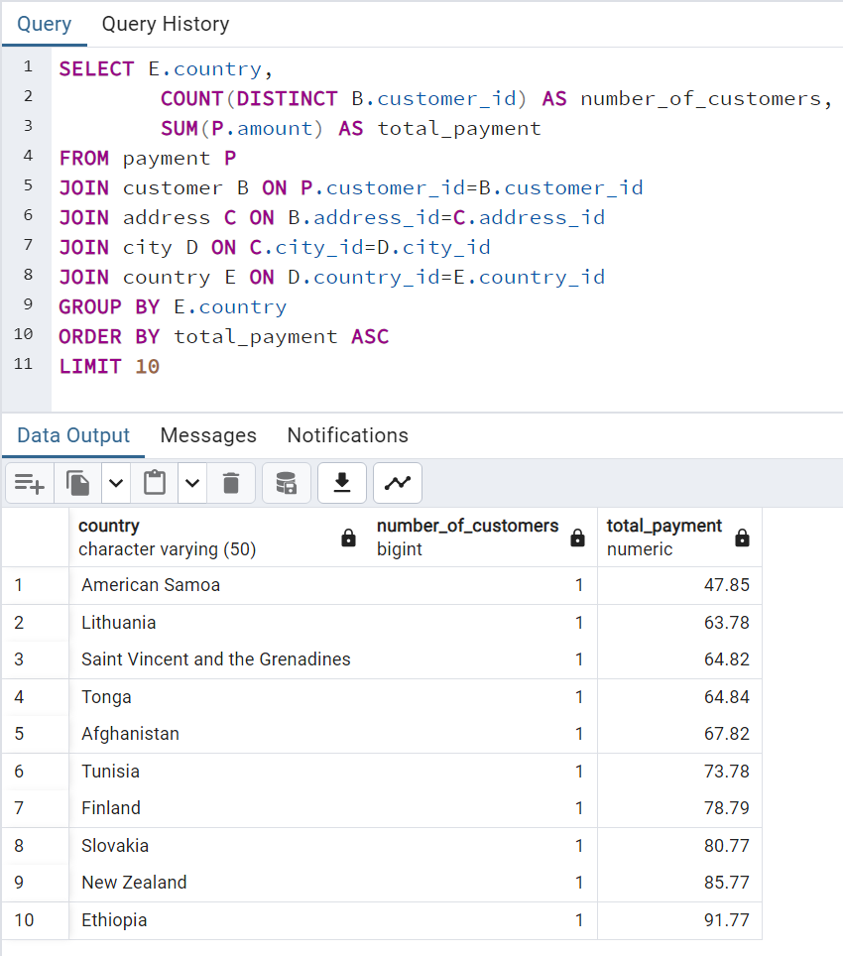
country | number_of_customers | total_payment
American Samoa | 1 | 47.85
Lithuania | 1 | 63.78
Saint Vincent and the Grenadines | 1 | 64.82
Tonga | 1 | 64.84
Afghanistan | 1 | 67.82
Tunisia | 1 | 73.78
Finland | 1 | 78.79
Slovakia | 1 | 80.77
New Zealand | 1 | 85.77
Ethiopia | 1 | 91.77

top_5_customers
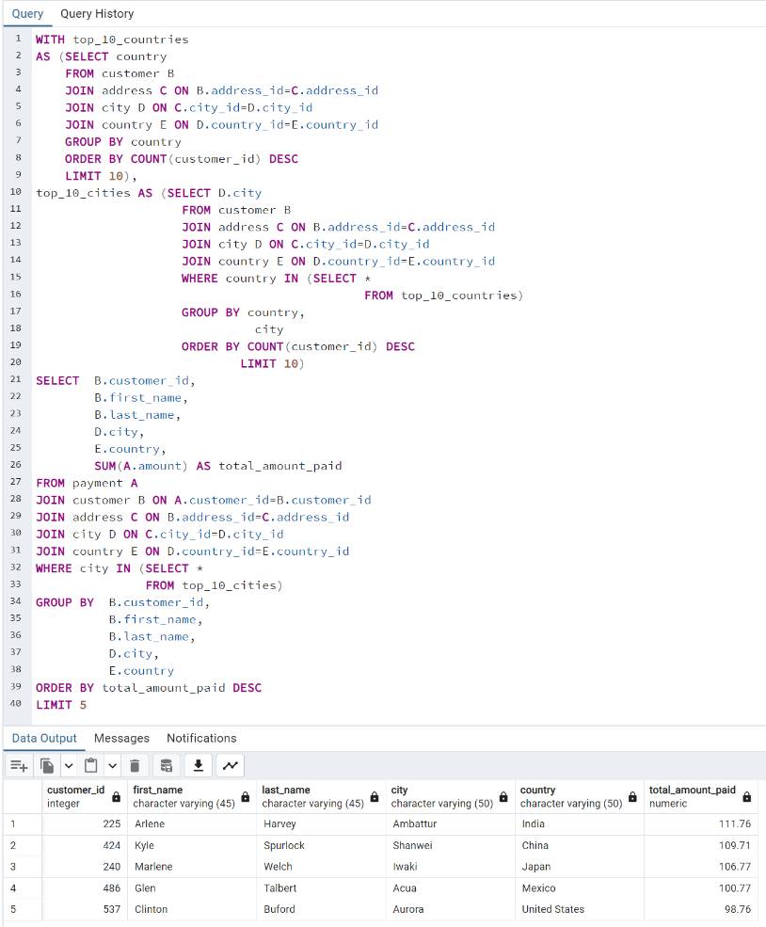
customer_id | first_name | last_name | city | country | total_amount_paid
225 | Arlene | Harvey | Ambattur | India | 111.76
424 | Kyle | Spurlock | Shanwei | China | 109.71
240 | Marlene | Welch | Iwaki | Japan | 106.77
486 | Glen | Talbert | Acua | Mexico | 100.77
537 | Clinton | Buford | Aurora | United States | 98.76

Top 10 Movie titles
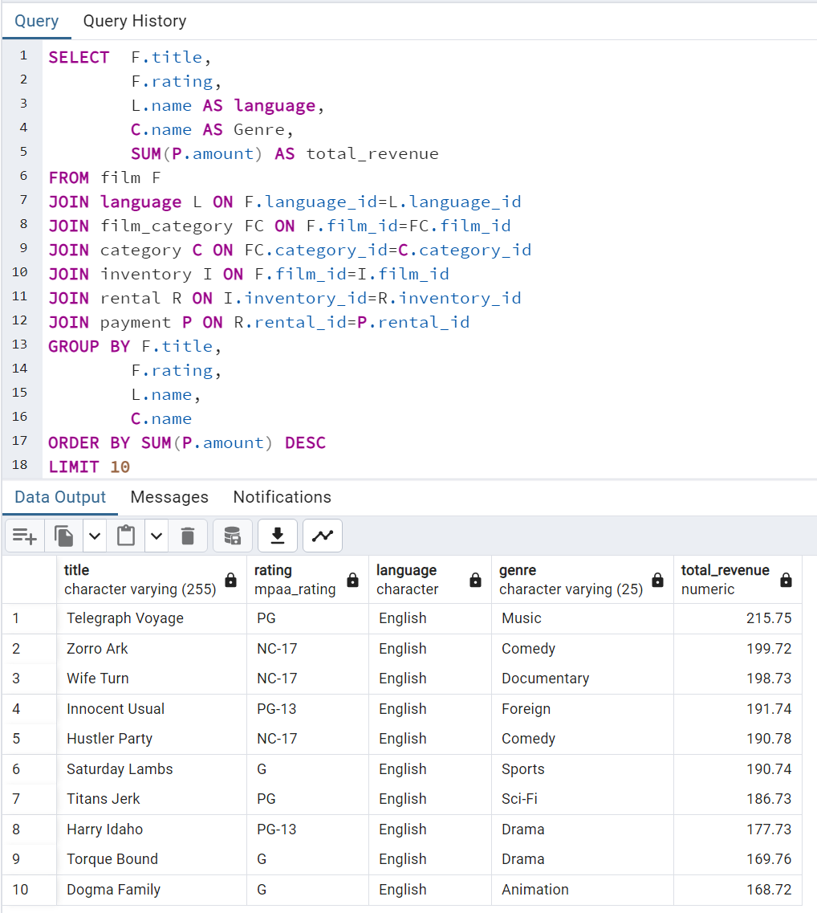
title | rating | language | genre | total_revenue
Telegraph Voyage | PG | English | Music | 215.75
Zorro Ark | NC-17 | English | Comedy | 199.72
Wife Turn | NC-17 | English | Documentary | 198.73
Innocent Usual | PG-13 | English | Foreign | 191.74
Hustler Party | NC-17 | English | Comedy | 190.78
Saturday Lambs | G | English | Sports | 190.74
Titans Jerk | PG | English | Sci-Fi | 186.73
Harry Idaho | PG-13 | English | Drama | 177.73
Torque Bound | G | English | Drama | 169.76
Dogma Family | G | English | Animation | 168.72

Bottom 10 Movie Titles
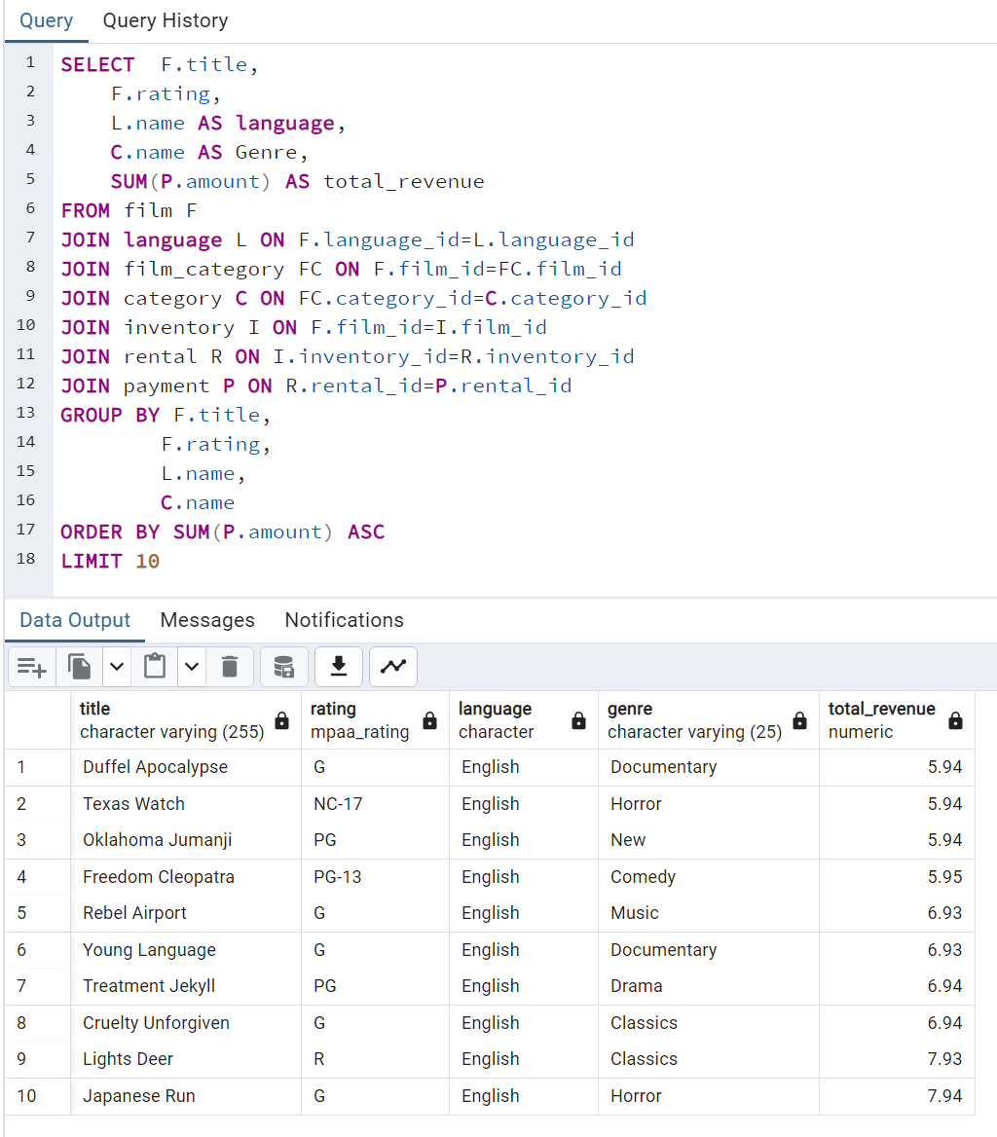
title | rating | language | genre | total_revenue
Duffel Apocalypse | G | English | Documentary | 5.94
Texas Watch | NC-17 | English | Horror | 5.94
Oklahoma Jumanji | PG | English | New | 5.94
Freedom Cleopatra | PG-13 | English | Comedy | 5.95
Rebel Airport | G | English | Music | 6.93
Young Language | G | English | Documentary | 6.93
Treatment Jekyll | PG | English | Drama | 6.94
Cruelty Unforgiven | G | English | Classics | 6.94
Lights Deer | R | English | Classics | 7.93
Japanese Run | G | English | Horror | 7.94

all genre revenue
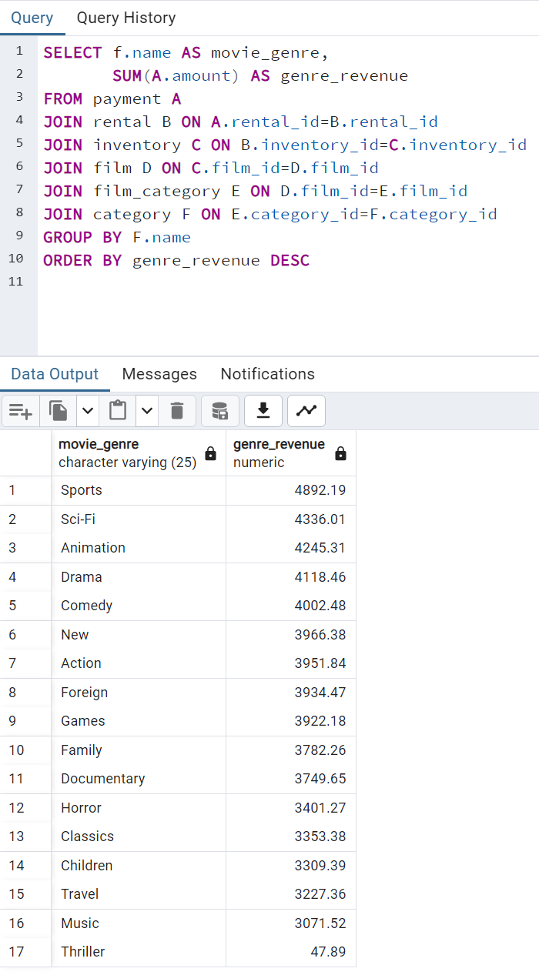
movie_genre | genre_revenue
Sports | 4892.19
Sci-Fi | 4336.01
Animation | 4245.31
Drama | 4118.46
Comedy | 4002.48
New | 3966.38
Action | 3951.84
Foreign | 3934.47
Games | 3922.18
Family | 3782.26
Documentary | 3749.65
Horror | 3401.27
Classics | 3353.38
Children | 3309.39
Travel | 3227.36
Music | 3071.52
Thriller | 47.89

top_5_genre_detailed
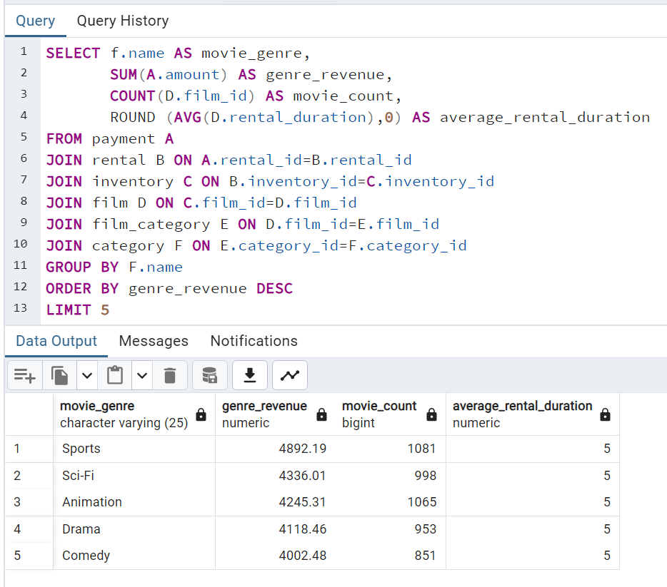
movie_genre | genre_revenue | movie_count | average_rental_duration
Sports | 4892.19 | 1081 | 5
Sci-Fi | 4336.01 | 998 | 5
Animation | 4245.31 | 1065 | 5
Drama | 4118.46 | 953 | 5
Comedy | 4002.48 | 851 | 5

Movie Ratings Rev & Inv
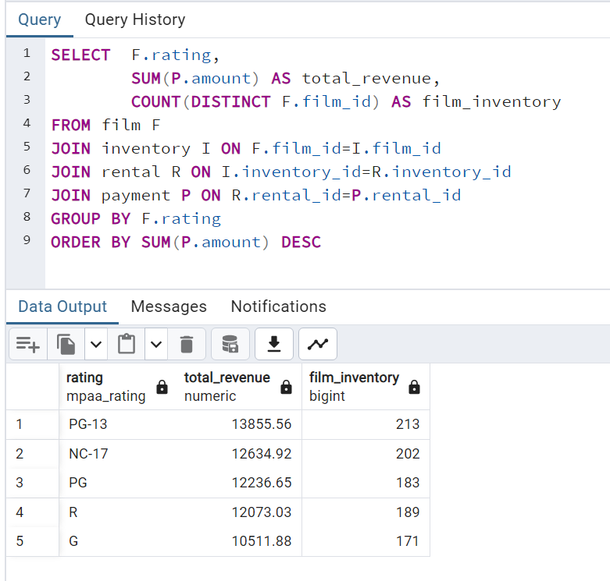
rating | total_revenue | film_inventory
PG-13 | 13855.56 | 213
NC-17 | 12634.92 | 202
PG | 12236.65 | 183
R | 12073.03 | 189
G | 10511.88 | 171

Numerical statistical data
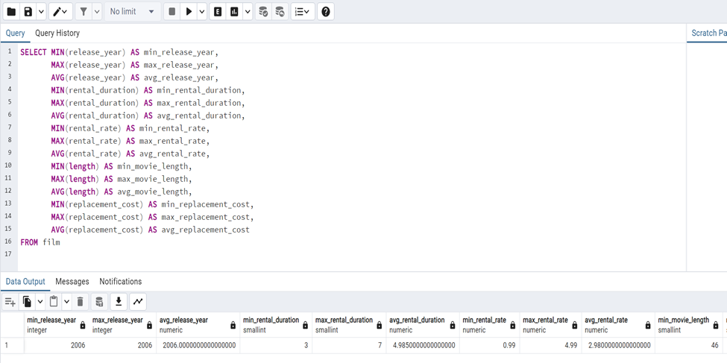
min_release_year | max_release_year | avg_release_year | min_rental_duration | max_rental_duration | avg_rental_duration | min_rental_rate | max_rental_rate | avg_rental_rate | min_length | max_length | avg_length | min_replacement_cost | max_replacement_cost | avg_replacement_cost
2006 | 2006 | 2006 | 3 | 7 | 4.985 | 0.99 | 4.99 | 2.98 | 46 | 185 | 115.272 | 9.99 | 29.99 | 19.984

Non_numerical statistical
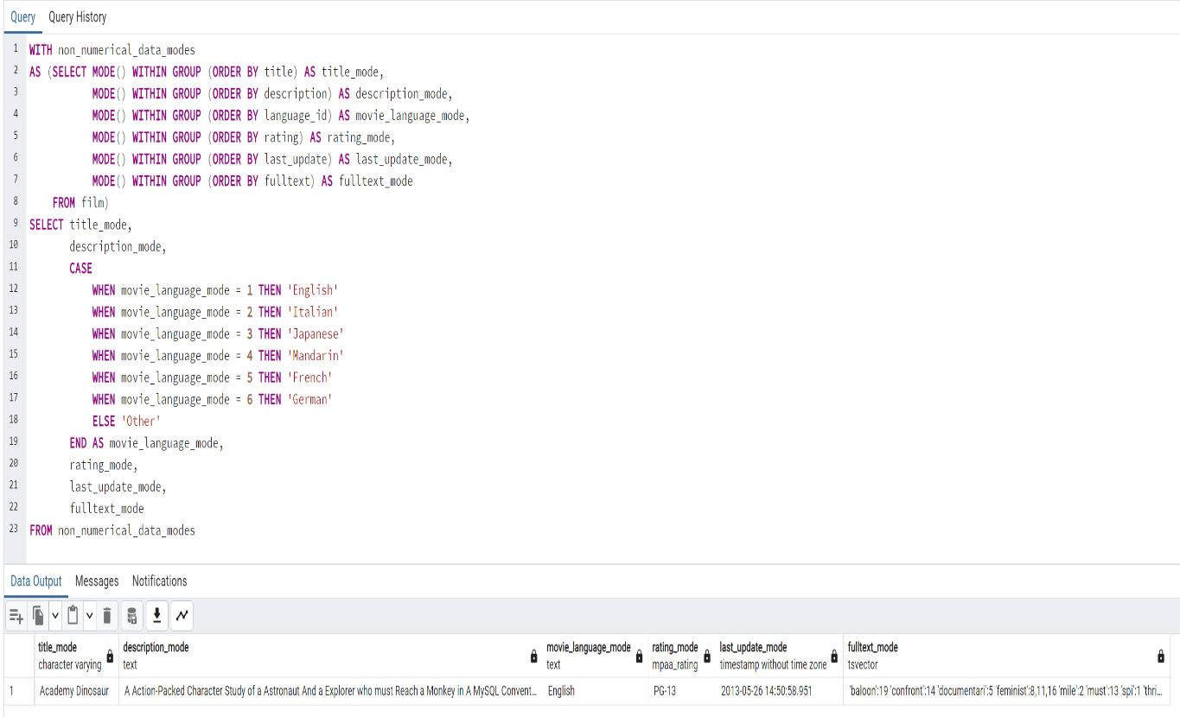
title_mode | description_mode | movie_language_mode | rating_mode | last_update_mode | fulltext_mode
Academy Dinosaur | A Action-Packed Character Study of a Astronaut And a Explorer who must Reach a Monkey in A MySQL Convention | English | PG-13 | 2013-05-26 14:50:58 | 'baloon':19 'confront':14 'documentari':5 'feminist':8,11,16 'mile':2 'must':13 'spi':1 'thrill':4

